3.1
3.1 -4a
V | P | Lnv | Lnp
2.27 | 2500 | 0.81977983149 | 7.8240460109
2.76 | 365 | 1.0152306797 | 5.8998973536
3.27 | 23700 | 1.1847899849 | 10.073230327
3.31 | 5491 | 1.1969481894 | 8.6108656673
3.7 | 14000 | 1.3083328197 | 9.5468126086
3.85 | 78200 | 1.3480731483 | 11.267024927
4.31 | 70700 | 1.4609379041 | 11.166200852
4.39 | 138000 | 1.4793292271 | 11.835008964
4.42 | 304500 | 1.4861396961 | 12.626426366
4.81 | 341948 | 1.5706970841 | 12.742413958
4.9 | 49375 | 1.5892352051 | 10.807199502
5.05 | 260200 | 1.6193882433 | 12.469205845
5.21 | 867023 | 1.6505798558 | 13.672820784
5.62 | 1340000 | 1.7263316639 | 14.108180172
5.88 | 1092759 | 1.7715567619 | 13.904216249 | 0.8744789752
3.1-4b
 |  |  |  | 13.933881796
 |  | lnv | P
 |  | 0.81977983149 | #NUM!
 |  | 1.0152306797 | 365
 |  | 1.1847899849 | 23700
 |  | 1.1969481894 | 5491
 |  | 1.3083328197 | 14000
 |  | 1.3480731483 | 78200
 |  | 1.4609379041 | 70700
 |  | 1.4793292271 | 138000
 |  | 1.4861396961 | 304500
 |  | 1.5706970841 | 341948
 |  | 1.5892352051 | 49375
 |  | 1.6193882433 | 260200
 |  | 1.6505798558 | 867023
 |  | 1.7263316639 | 1340000
 |  | 1.7715567619 | 1092759

4.1
P | V | V=1.397p^.096013 | logp | logv | logp*logy | logp^2 | sumxy | sumx^2 | sumx | sumy | a | b
365 | 2.76 | 2.4615566266 | 5.8998973536 | 1.0152306797 | 5.9897568006 | 34.808788783 | 247.57649856 | 1990.5915521 | 168.85613468 | 21.227350295 | 0.096012750352 | 0.33433389271
2500 | 2.27 | 2.9610300863 | 7.8240460109 | 0.81977983149 | 6.4139951204 | 61.21569598
5491 | 3.31 | 3.1933870529 | 8.6108656673 | 1.1969481894 | 10.30676007 | 74.14700754
14000 | 3.7 | 3.4936435867 | 9.5468126086 | 1.3083328197 | 12.490408259 | 91.141630984
23700 | 3.27 | 3.6747611732 | 10.073230327 | 1.1847899849 | 11.934662407 | 101.46996922
49375 | 4.9 | 3.9430665236 | 10.807199502 | 1.5892352051 | 17.175181918 | 116.79556108
70700 | 4.31 | 4.0813488026 | 11.166200852 | 1.4609379041 | 16.313126069 | 124.68404146
78200 | 3.85 | 4.1210498322 | 11.267024927 | 1.3480731483 | 15.188773765 | 126.9458507
138000 | 4.39 | 4.3520273585 | 11.835008964 | 1.4793292271 | 17.507874663 | 140.06743718
304500 | 4.42 | 4.6956105883 | 12.626426366 | 1.4861396961 | 18.764633442 | 159.42664278
341948 | 4.81 | 4.7481946475 | 12.742413958 | 1.5706970841 | 20.014472448 | 162.36911347
867023 | 5.21 | 5.1918787307 | 13.672820784 | 1.6505798558 | 22.568082557 | 186.94602818
1092759 | 5.88 | 5.3085174411 | 13.904216249 | 1.7715567619 | 24.632108315 | 193.32722949
1340000 | 5.62 | 5.4134997258 | 14.108180172 | 1.7263316639 | 24.355398151 | 199.04074776
2602000 | 5.05 | 5.7696478278 | 14.771790938 | 1.6193882433 | 23.921264577 | 218.20580752

 |  | dx | 0.93040682597 | 0.085857895082
 |  | dy | 0.079882771648
ComboGraph

4.2
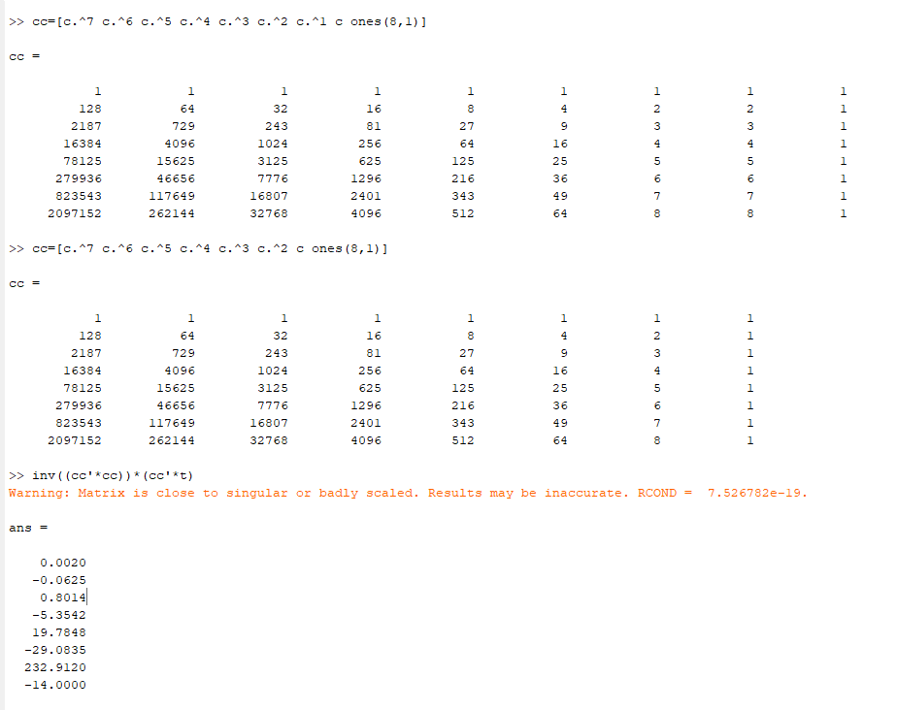
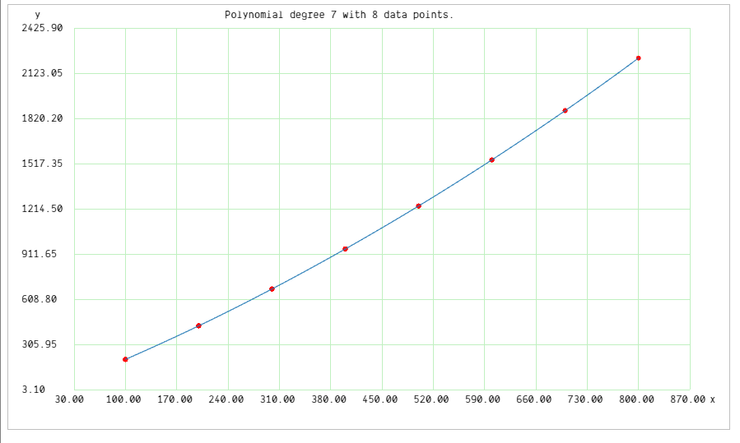
c | t
100 | 205
200 | 430
300 | 677
400 | 945
500 | 1233
600 | 1542
700 | 1872
800 | 2224

4.3
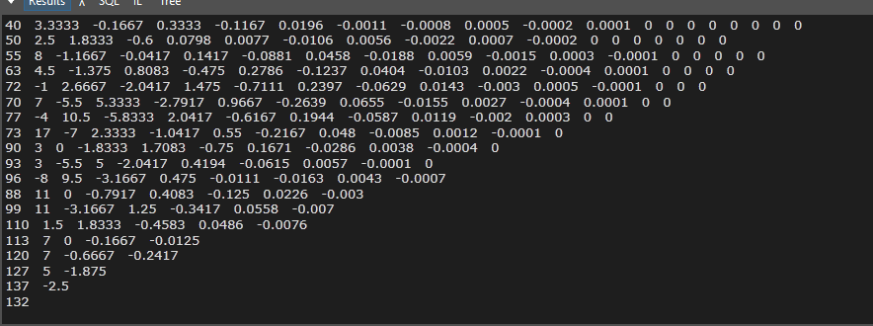
Chirps v Temp w/ Linear Estimate
x | y | estimate | abs diff | sumsq | max diff | dmin
46 | 40 | 36.829 | 3.171 | 448.20793975 | 10.453 | 1.1142590544
49 | 50 | 48.3835 | 1.6165
51 | 55 | 56.0865 | 1.0865
52 | 63 | 59.938 | 3.062
54 | 72 | 67.641 | 4.359
56 | 70 | 75.344 | 5.344
57 | 77 | 79.1955 | 2.1955
58 | 73 | 83.047 | 10.047
59 | 90 | 86.8985 | 3.1015
60 | 93 | 90.75 | 2.25
61 | 96 | 94.6015 | 1.3985
62 | 88 | 98.453 | 10.453
63 | 99 | 102.3045 | 3.3045
64 | 110 | 106.156 | 3.844
66 | 113 | 113.859 | 0.859
67 | 120 | 117.7105 | 2.2895
68 | 127 | 121.562 | 5.438
70 | 137 | 129.265 | 7.735
72 | 132 | 136.968 | 4.968

Divided Difference Table 18 terms needed

